Abbreviations
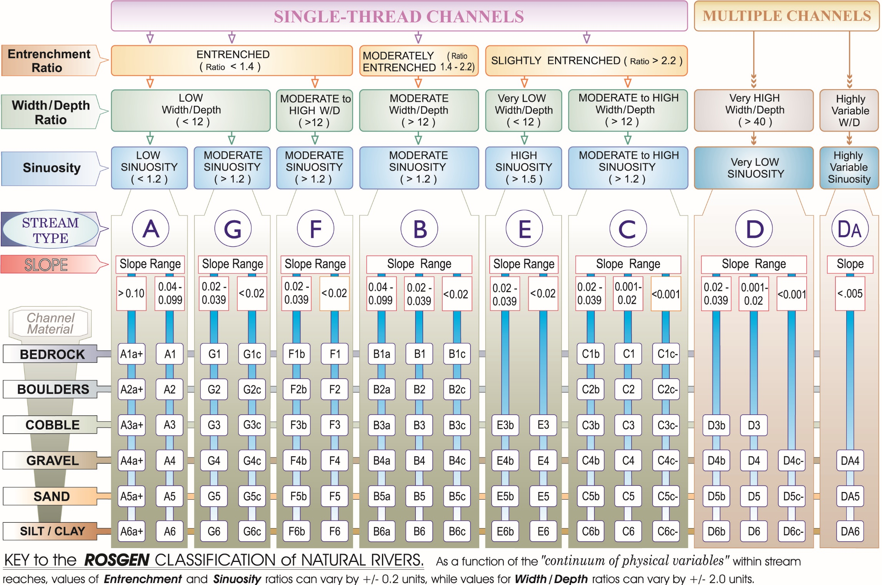
Explanation of abbreviations used in appendix 4 tables
Channel bedform type
AR | Artificial
BE | Bedrock
CA | Cascade
CO | Colluvial
PB | Plane-bed
PR | Pool-riffle
SP | Step-pool
WE | Wetland
Dominant substrate
AR | Artificial – concrete and others
BD | Bedrock
BO | Boulder
CO | Cobble
FINES | Fines/organic debris
GV | Gravel
SA | Sand
Dominant geomorphic processes
A | Aggradation
BF | Mid-channel/lateral bar formation
D | Degradation
EBA | Bank erosion
EBL | Bluff/terrace erosion
EX | Expansion of flow area
H | Headcutting
I | Incision
LM | Lateral migration
OS | Overbank sedimentation/levee formation
ST | Stable
W | Widening
Mode of sediment transport
SIa | Sink -- Aggradation
SIb | Sink -- Overbank sedimentation
SIc | Sink -- lateral and mid-channel sand/gravel bars
SIp | Sink -- fines in pools
SOb | Source -- bluff erosion
SOi | Source-- incision
SOw | Source -- bank erosion, widening
T | Transfer
Geomorphic sensitivity to disturbance
HI | High—substantial, readily detectable changes in channel morphology with a change in an important factor
LO | Low-- little or no change in overall channel morphology expected
MO | Moderate--minor changes in substrate size, width, pool depth
Rosgen valley type
I | V-shaped, confined, elevational relief is high, valley floor slopes are greater than 2 percent
II | Moderate relief, relatively stable, moderate side slope gradients, and valley floor slopes often less than 4 percent with soils developed from parent material, allumium, and collumium.
III | Primarily depositional in nature with characteristic debris- colluvial or alluvial fan landforms, and valley-floor slopes that are moderately slope or greater than 2 percent
IX | Glacial outwash plains and/or dunes, where soils are derived from glacial, alluvial, and/or eolian deposits. Sediment supply is high.
VIII | Identifiable by the presence of multiple river terraces positioned laterally along broad valleys with gentle, down-valley elevational relief
Rosgen Stream Type Classification Key

