Introduction
 | The South Carolina
 | Bridge-Scour Envelope Curve Template
 | 2016

The South Carolina Bridge-Scour Envelope Curve Template was designed to provide a consistent procedure to apply the South Carolina bridge-scour envelope curves. The template was tested with a limited number of bridges and corrections were made as necessary. |  |  | A Note to Template Users:
 |  |  | Throughout this workbook there are several locations where users are asked to fill in bridge-site information and where users have the option to select their preferred bridge-scour envelope curve. The authors recommend that a blank template be used when starting a new bridge-scour assessment to avoid mistakes possible when back-tracking through a previously populated template.
The development of the South Carolina bridge-scour envelope curves is documented in a series of five reports published over a period from 2003 to 2014 (reports listed below with website links). Benedict and others (2016; website link below) provides a summary of those five previous reports and the 2016 report should be used as the primary source for guidance in applying the envelope curves and understanding their limitations. However, the earlier five reports provide important background information, and users of this template should be familiar with their content. The South Carolina bridge-scour envelope curves are useful supplementary tools for assessing scour potential at bridges in South Carolina. However, there are limitations associated with these empirical methods that must be considered in their application. The reports listed below (with website links) describe these limitations, and users of this template should be familiar with their content.

 |  |  | Abbreviations Used in the Template
Although much effort was expended in the development and review of this template, no warranty, expressed or implied, is made by the U.S. Geological Survey as to the accuracy and functioning of the template and related template materials.
 |  |  | # | number
 |  |  | CH | channel
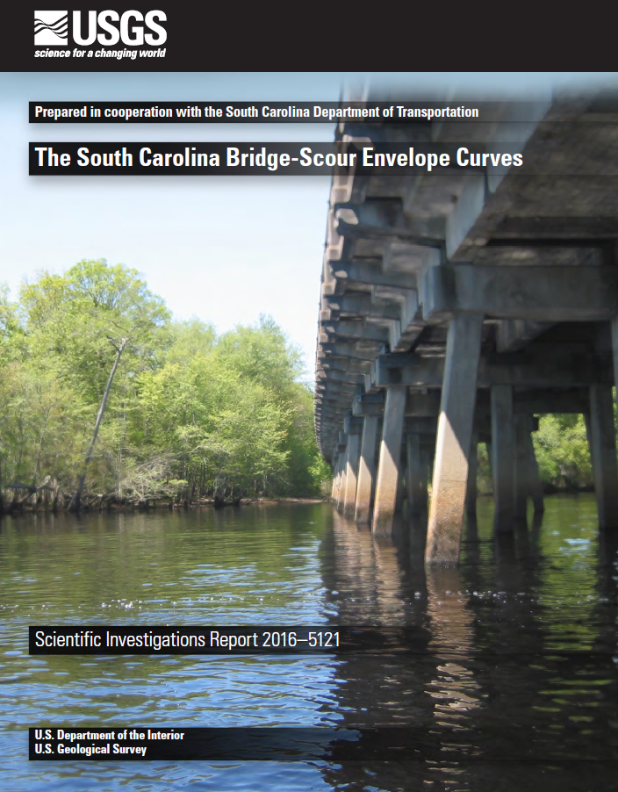
 | Benedict, S.T., Feaster, T.D., and Caldwell, A.W., 2016, The South Carolina bridge-scour envelope curves: U.S. Geological Survey Scientific Investigations Report 2016-5121, 96 p. |  | D/S | downstream
 |  |  | DA | drainage area
 |  |  | DMS | degrees-minutes-seconds
 | https://pubs.er.usgs.gov/publication/sir20165121 |  | FEMA | Federal Emergency Management Agency
 |  |  | ft | feet
 |  |  | HEC-18 | Hydraulic Engineering Circular No. 18 (Arneson and others, 2012)
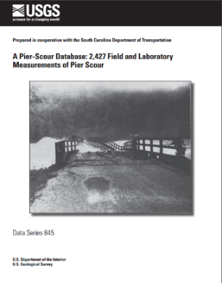
 |  | Benedict, S.T., and Caldwell, A.W., 2014, A pier-scour database—2,427 field and laboratory measurements of pier scour: U.S. Geological Survey Data Series 845, 22 p. | HWM | high water mark
 |  |  | LABUT | left abutment
 |  |  | LEW | left edge of water
 |  | http://pubs.usgs.gov/ds/0845/ | LTB | left top bank
 |  |  | LOB | left overbank
 |  |  | m | geometric-contraction ratio
 |  |  | N/A | not applicable
 |  |  | RABUT | right abutment
 |  |  | REW | right edge of water
 |  |  | ROB | right overbank
 |  |  | RTB | right top bank
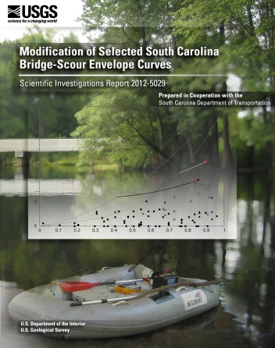
 | Benedict, S.T., and Caldwell, A.W., 2012, Modification of selected South Carolina bridge-scour envelope curves:U.S. Geological Survey Scientific Investigations Report 2012-5029, 37 p. |  | SCDOT | South Carolina Department of Transportation
 |  |  | sq mi | square mile
 |  |  | topo | topographic
 | http://pubs.usgs.gov/sir/2012/5029/ |  | USGS | U.S. Geological Survey
 |  |  | WSEL | water-surface elevation

 |  | Benedict, S.T., and Caldwell, A.W., 2009, Development and evaluation of live-bed pier and contraction scour envelope curves in the Coastal Plain and Piedmont Provinces of South Carolina, U.S. Geological Survey Scientific Investigations Report 2009–5099, 108 p. | References Used in the Template

 |  |  | Arneson, L.A., Zevenbergen, L.W., Lagasse, P.F., and Clopper, P.E., 2012, Evaluating scour at bridges (5th ed.): Federal Highway Administration Hydraulic Engineering Circular No. 18, Publication No. FHWA-HIF-12-003, 340 p.

 |  | http://pubs.usgs.gov/sir/2009/5099/

 |  |  | Benedict, S.T., 2003, Clear-water abutment and contraction scour in the Coastal Plain and Piedmont Provinces of South Carolina, 1996–99: U.S. Geological Survey Water-Resources Investigations Report 03–4064, 137 p.

 |  |  | Benedict, S.T., and Caldwell, A.W., 2006, Development and evaluation of clear-water pier and contraction scour envelope curves in the Coastal Plain and Piedmont Provinces of South Carolina: U.S. Geological Survey Scientific Investigations Report 2005–5289, 98 p.
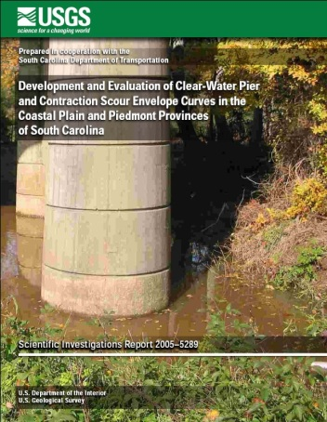
 | Benedict, S.T., and Caldwell, A.W., 2006, Development and evaluation of clear-water pier and contraction scour envelope curves in the Coastal Plain and Piedmont Provinces of South Carolina: U.S. Geological Survey Scientific Investigations Report 2005–5289, 98 p.

 |  |  | Benedict, S.T., and Caldwell, A.W., 2009, Development and evaluation of live-bed pier and contraction scour envelope curves in the Coastal Plain and Piedmont Provinces of South Carolina, U.S. Geological Survey Scientific Investigations Report 2009–5099, 108 p.

 | http://pubs.usgs.gov/sir/2005/5289/

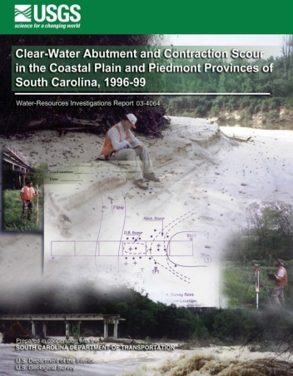
 |  |  | Benedict, S.T., and Caldwell, A.W., 2012, Modification of selected South Carolina bridge-scour envelope curves: U.S. Geological Survey Scientific Investigations Report 2012-5029, 37 p.
 |  | Benedict, S.T., 2003, Clear-water abutment and contraction scour in the Coastal Plain and Piedmont Provinces of South Carolina, 1996–99: U.S. Geological Survey Water-Resources Investigations Report 03–4064, 137 p.

 |  |  | Benedict, S.T., and Caldwell, A.W., 2014, A pier-scour database—2,427 field and laboratory measurements of pier scour: U.S. Geological Survey Data Series 845, 22 p.
 |  | http://pubs.usgs.gov/wri/wri034064/

 |  |  | Benedict, S.T., Feaster, T.D., and Caldwell, A.W., 2016, The South Carolina bridge-scour envelope curves: U.S. Geological Survey Scientific Investigations Report 2016-5121, 96 p.

GRAPHS
Bridge Number: |  | 0 | 1 | Bridge Number: |  | 0 | 2 | Bridge Number: |  | 0 | 3 | Bridge Number: |  | 0 | 4 | Bridge Number: |  | 0 | 5 | Bridge Number: | 0 |  | 6
County: |  | 0 |  | County: |  | 0 |  | County: |  | 0 |  | County: |  | 0 |  | County: |  | 0 |  | County: | 0
Stream: |  | 0 |  | Stream: |  | 0 |  | Stream: |  | 0 |  | Stream: |  | 0 |  | Stream: |  | 0 |  | Stream: | 0
Road: |  | 0 |  | Road: |  | 0 |  | Road: |  | 0 |  | Road: |  | 0 |  | Road: |  | 0 |  | Road: | 0
Region: |  | 0 |  | Region: |  | 0 |  | Region: |  | 0 |  | Region: |  | 0 |  | Region: |  | 0 |  | Region: | 0
 | Original Clear-Water Abutment-Scour Envelope Curves (Benedict and others, 2016; Benedict, 2003) |  |  |  | Original Clear-Water Abutment-Scour Envelope Curves (Benedict and others, 2016; Benedict, 2003) |  |  |  | Modified Clear-Water Abutment-Scour Envelope Curves (Benedict and others, 2016; Benedict and Caldwell, 2012) |  |  |  | Original Live-Bed Channel Contraction-Scour Envelope Curve (Benedict and others, 2016; Benedict and Caldwell, 2009) |  |  |  | Pier-Scour Envelope Curves (Benedict and others, 2016; Benedict and Caldwell, 2006; 2009) |  |  |  |  | Pier-Scour Skew Coefficients
Original Envelope Curves for Abutment Scour by Embankment Length
 | Coastal Plain Envelope |  | Piedmont |  | Left Abutment |  | Right Abutment |  | 5 Foot breakline
0 | 0 | 0 | 0 | 0 | 0.0 | 0 | 0.0 | 0 | 5
426.5 | 14.4 | 18.4 | 0.6 | No Data | 0.0 | No Data | 0.0 | 194 | 5
7440.6 | 23.6 | 112.3 | 3.1 | No Data | 0.0 | No Data | 0.0
 |  | 181.4 | 4.6
 |  | 408.5 | 9.7
 |  | 571.8 | 12.9
 |  | 606.4 | 13.7
 |  | 675 | 14.2
 |  | 952.9 | 18
Original Envelope Curves for Abutment Scour by Contraction Ratio
 | Coatal Plain Sands Envelope |  | Piedmont |  | Left Abutment |  | Right Abutment |  | 5 ft breakline
0.00 | 0.00 | 0 | 0 | 0 | 0.0 | 0 | 0.0 | 0 | 5
0.32 | 1.69 | 0.022 | 0.6 | No Data | 0.0 | No Data | 0.0 | 0.37 | 5
0.67 | 8.18 | 0.372 | 4.6 | No Data | 0.0 | No Data | 0.0
0.77 | 11.75 | 0.668 | 13.7
0.81 | 13.55
0.82 | 14.03
0.98 | 23.53 | 0.817 | 18
Modified Envelope Curves for Abutment Scour by Embankment-Length Category Piedmont
 | Coatal Plain Sands Envelope |  | Piedmont |  | Left Abutment (by Category) |  | Right Abutment (by Category) |  | L<= 100 feet |  | L<=200 feet |  | L<=300 feet |  | L<= 400 feet |  | L<= 500 feet |  | Left Abutment (by Interpolation) |  | Right Abutment (by Interpolation)
0.00 | 0.00 | 0 | 0 | 0.00 | 0.0 | 0.00 | 0.0 | 0.13 | 1.20 | 0.13 |  | 0.13 |  | 0.13 |  | 0.13 |  | 0.00 | 0.0 | 0.00 | 0.0
0.32 | 1.69 | 0.022 | 0.6 | 0.00 | 0.0 | 0.00 | 0.0 | 0.25 | 1.21 | 0.25 | 2.84 | 0.25 |  | 0.25 |  | 0.25
0.67 | 8.18 | 0.372 | 4.6 | 0.00 | 0.0 | 0.00 | 0.0 | 0.34 | 1.29 | 0.34 | 2.92 | 0.34 | 4.42 | 0.34 |  | 0.34
0.77 | 11.75 | 0.668 | 13.7 |  |  |  |  | 0.42 | 1.40 | 0.42 | 3.08 | 0.42 | 4.60 | 0.42 | 6.12 | 0.42
0.81 | 13.55 |  |  |  |  |  |  | 0.5 | 1.55 | 0.5 | 3.31 | 0.5 | 4.89 | 0.5 | 6.42 | 0.5 | 8.04
0.82 | 14.03 |  |  |  |  |  |  | 0.6 | 1.80 | 0.6 | 3.72 | 0.6 | 5.40 | 0.6 | 7.02 | 0.6 | 8.65
0.98 | 23.53 | 0.817 | 18 |  |  |  |  | 0.7 | 2.11 | 0.7 | 4.25 | 0.7 | 6.08 | 0.7 | 7.84 | 0.7 | 9.57
 |  |  |  |  |  |  |  | 0.8 | 2.49 | 0.8 | 4.91 | 0.8 | 6.92 | 0.8 | 8.89 | 0.8 | 10.79
 |  |  |  |  |  |  |  | 0.85 | 2.70 | 0.85 | 5.28 | 0.85 | 7.41 | 0.85 | 9.50 | 0.85 | 11.52
Original Envelope Curve for Live-Bed Contraction Scour
 | Original Live-Bed Contraction Envelope |  | Live-Bed Contraction Scour
0 | 0.00 | 0 | 0.0
0.02 | 0.04 | No Data | 0.0
0.1 | 0.38 | No Data | 0.0
0.2 | 1.25
0.3 | 2.61
0.4 | 4.47
0.5 | 6.83
0.6 | 9.67
0.7 | 13.01
0.8 | 16.85
0.85 | 18.95
0.9 | 21.18
Envelope Curves for Pier Scour
 | SC Clear-Water Envelope |  | SC Live-Bed Envelope |  | PSDb-2014 |  | 2.5b Envelope |  | Pier Scour Estimates |  | Pier Scour Estimates (Skewed)
0 | 0.5 | 0 | 3.3 | 0 | 0.0 | 0 | 0.0 | 15 | 24.0 | 15 | 27.7
2 | 3.5 | 2 | 5.5 | 2 | 3.9 | 2 | 5.0 | 16 | 25.5 | 16 | 31.3
4 | 6.5 | 4 | 7.7 | 4 | 7.3 | 4 | 10.0 | 16 | 25.5 | 16 | 30.0
6 | 9.5 | 6 | 9.9 | 6 | 10.5 | 6 | 15.0 | 16 | 25.5 | 16 | 34.1
8 |  | 8 |  | 8 | 13.6 | 8 | 20.0 | 16 | 25.5 | 16 | 25.5
10 |  | 10 |  | 10 | 16.7 | 10 | 25.0
12 |  | 12 |  | 12 | 19.7 | 12 | 30.0
14 |  | 14 |  | 14 | 22.6 | 14 | 35.0
16 |  | 16 |  | 16 | 25.5 | 16 | 40.0
Single-Column Skew Coefficient (HEC-18)
 | L/a=4 |  | L/a=8 |  | L/a=12 |  | Estimated Skew Coefficients
0 | 1.00 | 0 | 1.00 | 0 | 1.00 | 15 | 1.15
15 | 1.50 | 15 | 2.00 | 15 | 2.50 | 15 | 1.23
30 | 2.00 | 30 | 2.75 | 30 | 3.50 | 15 | 1.18
45 | 2.30 | 45 | 3.30 | 45 | 4.30 | 40 | 1.34
90 | 2.50 | 90 | 3.90 | 90 | 5.00 | 25 | 1.00

500 ft

400 ft
300 ft

200 ft
100 ft

 |  |  |  |  |  |  |  |  |  |  |  |  | Modified Live-Bed Channel Contraction-Scour Envelope Curves (Benedict and others, 2016; Benedict and Caldwell, 2012) |  |  |  | Clear-Water Overbank Contraction-Scour Envelope Curve (Benedict and others, 2016; Benedict and Caldwell, 2006)

Original Envelope Curves for Abutment Scour by Embankment Length
 | Coastal Plain Envelope |  | Piedmont |  | Left Abutment |  | Right Abutment |  | 5 Foot breakline
0 | 0 | 0 | 0 | 0 | 0.0 | 0 | 0.0 | 0 | 5
426.5 | 14.4 | 18.4 | 0.6 | No Data | 0.0 | No Data | 0.0 | 194 | 5
7440.6 | 23.6 | 112.3 | 3.1 | No Data | 0.0 | No Data | 0.0
 |  | 181.4 | 4.6
 |  | 408.5 | 9.7
 |  | 571.8 | 12.9
 |  | 606.4 | 13.7
 |  | 675 | 14.2
 |  | 952.9 | 18
Original Envelope Curves for Abutment-Scour Hole Widths
 | Well Defined Channel Envelope |  | Small Swampy or Relief Br |  | Left Abutment |  | Right Abutment
0 | 0 | 0 | 0 | 0 | 0.0 | 0 | 0.0
0 | 6 | 0 | 6 | N/A | 0.0 | N/A | 0.0
0.4 | 20 | 0.4 | 20 | N/A | 0.0 | N/A | 0.0
1.2 | 40 | 1.2 | 40
2.6 | 60 | 2.6 | 60
5.2 | 65 | 13.7 | 100
13.2 | 70 | 23.6 | 130
18 | 70
Modified Envelope Curves for Abutment Scour by Embankment-Length Category Coastal Plain
 | Coatal Plain Sands Envelope |  | Piedmont |  | Left Abutment (by Category) |  | Right Abutment (by Category) |  | L<=100 feet |  | L<= 200 feet |  | L<= 300 feet |  | L<= 400 feet |  | L<= 500 feet |  | Left Abutment (by Interpolation) |  | Right Abutment (by Interpolation)
0.00 | 0.00 | 0 | 0 | 0.00 | 0.0 | 0.00 | 0.0 | 0.25 | 1.22 | 0.25 |  | 0.25 |  | 0.25 |  | 0.25 |  | 0.00 | 0.0 | 0.00 | 0.0
0.32 | 1.69 | 0.022 | 0.6 | 0.00 | 0.0 | 0.00 | 0.0 | 0.49 | 1.57 | 0.49 | 3.84 | 0.49 |  | 0.49 |  | 0.49
0.67 | 8.18 | 0.372 | 4.6 | 0.00 | 0.0 | 0.00 | 0.0 | 0.65 | 2.10 | 0.65 | 4.62 | 0.65 | 7.40 | 0.65 |  | 0.65
0.77 | 11.75 | 0.668 | 13.7 |  |  |  |  | 0.76 | 2.60 | 0.76 | 5.42 | 0.76 | 8.39 | 0.76 | 11.24 | 0.76
0.81 | 13.55 |  |  |  |  |  |  | 0.84 | 3.03 | 0.84 | 6.14 | 0.84 | 9.30 | 0.84 | 12.42 | 0.84 | 14.94
0.82 | 14.03 |  |  |  |  |  |  | 0.90 | 3.40 | 0.90 | 6.76 | 0.90 | 10.10 | 0.90 | 13.50 | 0.90 | 16.30
0.98 | 23.53 | 0.817 | 18
Modified Envelope Curves for Live-Bed Contraction Scour
 | Original Live-Bed Envelope |  | Live-Bed Contraction Scour |  | Modified Envelope Curve (100 sq mi) |  | Modified Envelope Curve (200 sq mi)
0 | 0.00 | 0 | 0.0 | 0 | 0.00 | 0 | 0.00
0.02 | 0.04 | No Data | 0.0 | 0.1 | 0.16 | 0.1 | 0.30
0.1 | 0.38 | No Data | 0.0 | 0.2 | 0.64 | 0.2 | 1.00
0.2 | 1.25 |  |  | 0.3 | 1.44 | 0.3 | 2.10
0.3 | 2.61 |  |  | 0.4 | 2.56 | 0.4 | 3.60
0.4 | 4.47 |  |  | 0.6 | 5.76 | 0.6 | 7.80
0.5 | 6.83 |  |  | 0.7 | 7.84 | 0.7 | 10.50
0.6 | 9.67 |  |  | 0.8 | 10.24 | 0.8 | 13.60
0.7 | 13.01 |  |  | 0.9 | 12.96 | 0.9 | 17.10
0.8 | 16.85
0.85 | 18.95
0.9 | 21.18
Envelope Curve for Overbank Contraction Scour
 | Contraction-Scour Envelope Curve |  | Left Overbank Contraction Scour |  | Right Overbank Contraction Scour
0 | 0.60 | 0 | 0.0 | 0 | 0.0
0.02 | 0.80 | No Data | 0.0 | No Data | 0.0
0.1 | 1.54 | No Data | 0.0 | No Data | 0.0
0.2 | 2.36
0.3 | 3.06
0.4 | 3.64
0.5 | 4.10
0.6 | 4.44
0.7 | 4.66
0.8 | 4.76
0.85 | 4.77
0.91 | 4.73

